MAIN
...
 |  |  |  |  |  |  | RF |  | CF |  | LF
 |  |  |  |  |  | 180 | 180 | 105 | 105 | 50 | 50
 |  |  |  |  |  | 80 | 80 | 60 | 60 | 100 | 100
...
 |  |  |  |  |  |  |  |  | 15.14070034
 |  |  |  |  |  |  |  | REWARD: | 15.1407 |  | (less is better)
OUTCOME
 |  |  | RUNNING PROGRAM |  |  |  | TOTAL STEPS= | 3840 |  | %COMPLETED: | 0
 |  |  |  |  |  |  |  |  |  |  | 7
SINGLE | 81 | 108.28
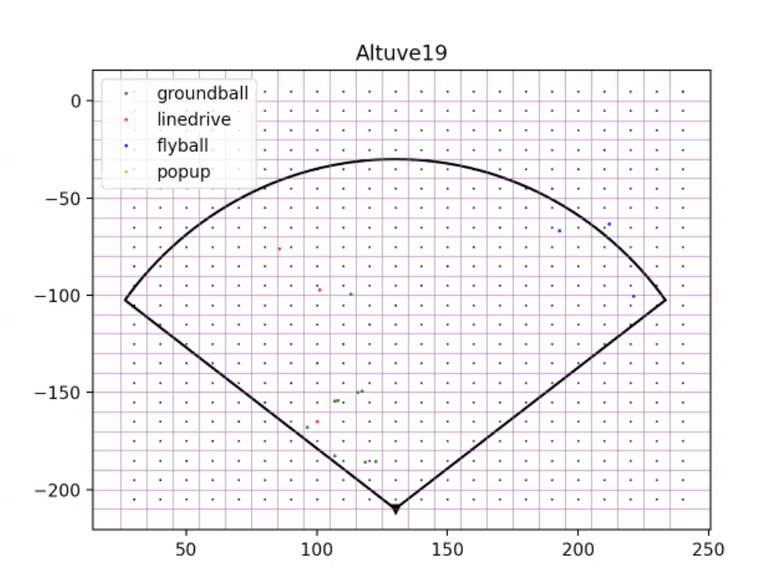
Optimal Fielder Position
 | DOUBLE |  | OUT |  | SINGLE |  | RF POS |  | CF POS |  | LF POS |  | RF POSITION |  | CF POSITION |  | LF POSITION
 | 0 | 45.48 | 102.29 | 81 | 108.28 | 180 | 80 | 105 | 60 | 50 | 100 | 180 | 80 | 105 | 60 | 50 | 100
78.4 | 131.11 | 47.57 | 106.8 |  | 0
86.66 | 138.94 |  | 0 |  | 0
 | 0 | 84.42 | 120.96 | 160.47 | 113.14
 | 0 |  | 0 |  | 0
 | 0 |  | 0 |  | 0
 | 0 | 91.41 | 83.04 |  | 0
 | 0 | 101.11 | 88.38 |  | 0
155.03 | 52.15 | 104.32 | 46.92
 | 0 | 108.99 | 31.44
 | 0 | 111.62 | 61.18
173.08 | 149.88 | 112.38 | 65.24
188.33 | 138.22 | 112.64 | 91.87
196.96 | 117.33 | 112.86 | 47.56
 |  |  | 0
 |  | 118.35 | 93.61
 |  |  | 0
 |  |  | 0
 |  | 120.24 | 43.61
 |  | 120.4 | 72.45
 |  |  | 0
 |  |  | 0
 |  | 126.03 | 71.41
 |  |  | 0
 |  |  | 0
 |  | 130.64 | 78.57
 |  |  | 0
 |  |  | 0
 |  | 134.28 | 56.1
 |  | 135.25 | 46.88
 |  | 135.53 | 58.93
 |  | 135.95 | 73.56
 |  |  | 0
 |  |  | 0
 |  |  | 0
 |  | 161.23 | 42.96
 |  | 166.27 | 109.69
 |  | 167.84 | 103.11
 |  | 168.37 | 91.38
 |  | 169.04 | 84.93
 |  | 172.1 | 68.54
 |  | 173.57 | 102.87
 |  | 173.61 | 111.22
 |  | 173.9 | 80.78
 |  | 177.02 | 84.26
 |  | 183.96 | 101.56
 |  | 184.77 | 88.29
 |  | 184.95 | 83.46
 |  | 188.45 | 119.65
 |  | 190.44 | 113.64
...
DOUBLE |  |  |  |  | 120.77 | 120.23
DOUBLE |  |  |  |  | 135.01 | 96.8
SINGLE | 160.47 | 113.14
DOUBLE |  |  |  |  | 211.58 | 113.73
DOUBLE |  |  |  |  | 221.41 | 103.68
DOUBLE |  |  |  |  | 224.96 | 112.38
OUT |  |  | 45.48 | 102.29
OUT |  |  | 47.57 | 106.8
SINGLE | 72.75 | 83.77
OUT |  |  | 84.42 | 120.96
SINGLE | 86.57 | 82.55
SINGLE | 86.94 | 90.24
OUT |  |  | 91.41 | 83.04
OUT |  |  | 101.11 | 88.38
OUT |  |  | 104.32 | 46.92
OUT |  |  | 108.99 | 31.44
OUT |  |  | 111.62 | 61.18
OUT |  |  | 112.38 | 65.24
OUT |  |  | 112.64 | 91.87
OUT |  |  | 112.86 | 47.56
SINGLE | 118.2 | 105.12
OUT |  |  | 118.35 | 93.61
SINGLE | 118.78 | 83.36
DOUBLE |  |  |  |  | 120.21 | 92.25
OUT |  |  | 120.24 | 43.61
OUT |  |  | 120.4 | 72.45
DOUBLE |  |  |  |  | 122.01 | 91.26
SINGLE | 124.96 | 76.43
OUT |  |  | 126.03 | 71.41
DOUBLE |  |  |  |  | 126.21 | 95.86
SINGLE | 126.45 | 90.64
OUT |  |  | 130.64 | 78.57
SINGLE | 130.9 | 73.62
...

